Sheet1
Post Name | Likes | Comment | Reach | Impression

7 Day Sattvik Program | 293 | 95 | 18002 | 22117
Heart Health | 173 | 0 | 20897 | 23859
10 Pawsitive benefits | 172 | 1 | 13534 | 16823
Reasons for obesity | 203 | 1 | 9171 | 12031
Detox & Cleanse | 273 | 3 | 16258 | 21576
Journal- product post | 116 | 6 | 7168 | 9385
Kidney health | 140 | 1 | 8249 | 10859

Avg views per story | 1500-2000
Avg clicks per story | 40-50

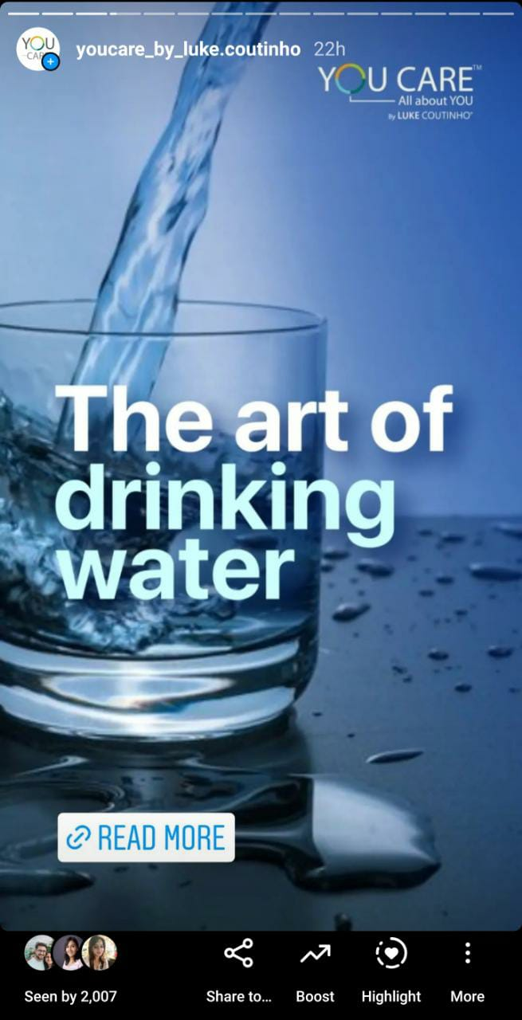

Video Type | Link | Views |  |  | Story Screen Shot
Reel | https://www.instagram.com/reel/CZl7iNwj45h/ | 22800
Reel | https://www.instagram.com/reel/CZtKDfcuDmW/ | 28400
Reel | https://www.instagram.com/reel/CZ_B1SipSMn/ | 18200
Reel | https://www.instagram.com/reel/CaWXx_NOt2K/ | 13600

IG TV Video | https://www.instagram.com/tv/CaE0-jfoxeD/ | 2254
IG TV Video | https://www.instagram.com/tv/CZRI_lyKgI8/ | 5066
IG TV Video | https://www.instagram.com/tv/CY_XDlpK7Fn/ | 3456

